Pivot_table
Count of Restaurant_Name |  | Average of min_Delivery_Time
129 |  | 36.81

Average of Average_Rating
4.13 |  | Row Labels
 |  | 100+ ratings
Average of Price |  | 1000+ ratings
₹ 344.15 |  | 20+ ratings
 |  | 50+ ratings
Row Labels | Max of ID | 500+ ratings
Bandra Area | 391,816.00 | Too Few Ratings
Bandra East | 448,491.00 | Grand Total
Chembur | 253,180.00
Gautam Buddha Nagar | 445,072.00
Kalina CK | 440,957.00
Kurla | 463,640.00 |  | Row Labels | Average of Price
Kurla West | 372,149.00 |  | Bandra Area | 700
Mumbai | 153,348.00 |  | Bandra East | 450
Santacruz East | 374,107.00 |  | Chembur | 325
Scruz Bandra East | 445,068.00 |  | Gautam Buddha Nagar | 300
Top 5 Food Types
Grand Total | 463,640.00 |  | Kalina CK | 500
 |  |  | Kurla West | 414.11764706
 |  |  | Mumbai | 316.66666667
 |  |  | Saki Naka | 483.33333333
Row Labels | Sum of ID |  | Santacruz East | 365
['Bakery' 'Desserts'] | 1774179 |  | Scruz Bandra East | 350
['Chinese'] | 1893308 |  | Grand Total | 388.98550725
['Desserts' 'Bakery'] | 1339912
['Fast Food'] | 1369563
['Indian'] | 2735660
Grand Total | 9112622

Dashboard

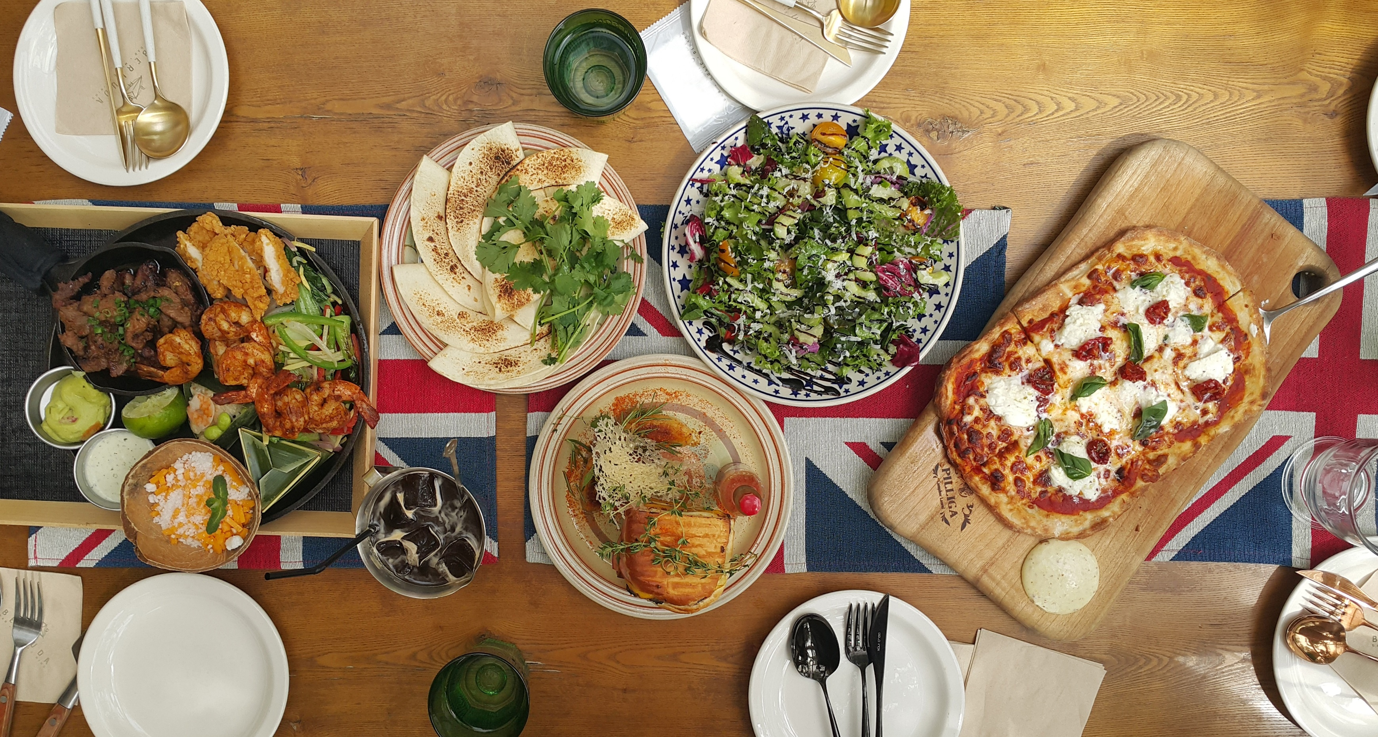
*India’s largest online food item ordering & delivery chain*
... SWIGGY INSIGHTS ...

Total Restaurants 🍽️
Avg. Rating ⭐
Avg Price 💰
Avg Delivery Time⏱️

129
4.13
₹ 344.15
36.81

Top 5 Food Types
 | Total
['Bakery' 'Desserts'] | 1774179
['Chinese'] | 1893308
['Desserts' 'Bakery'] | 1339912
['Fast Food'] | 1369563
['Indian'] | 2735660
Top 10 Areas with Most Restaurants
 | Total
Bandra Area | 391,816.00
Bandra East | 448,491.00
Chembur | 253,180.00
Gautam Buddha Nagar | 445,072.00
Kalina CK | 440,957.00
Kurla | 463,640.00
Kurla West | 372,149.00
Mumbai | 153,348.00
Santacruz East | 374,107.00
Scruz Bandra East | 445,068.00

Avg-Price wise Most Expensive Areas
 | Total
Bandra Area | 700
Bandra East | 450
Chembur | 325
Gautam Buddha Nagar | 300
Kalina CK | 500
Kurla West | 414.11764706
Mumbai | 316.66666667
Saki Naka | 483.33333333
Santacruz East | 365
Scruz Bandra East | 350

